A.6

PetBacker:
A platform for finding and booking pet sitters, dog walkers, and other pet care providers.
 | Home Dog Boarding, Pet Sitting, Dog Walking App | PetBacker
 | Doesn't seem to be a core part of their business

Fetch! Pet Care:
Offers locally owned and operated in-home pet care services.
 | The Nation's Leading In-home Pet Care Provider - Fetch! Pet Care
 | They seem to have more of a built out model, but looks like they have limited medical offerings

A.10

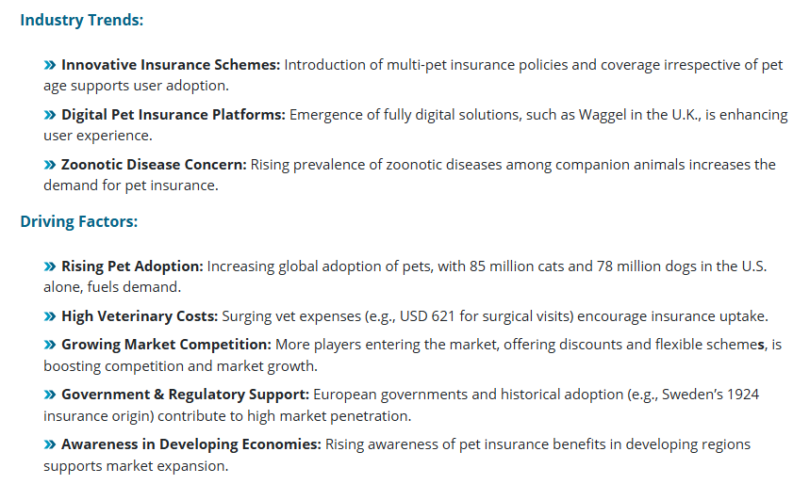
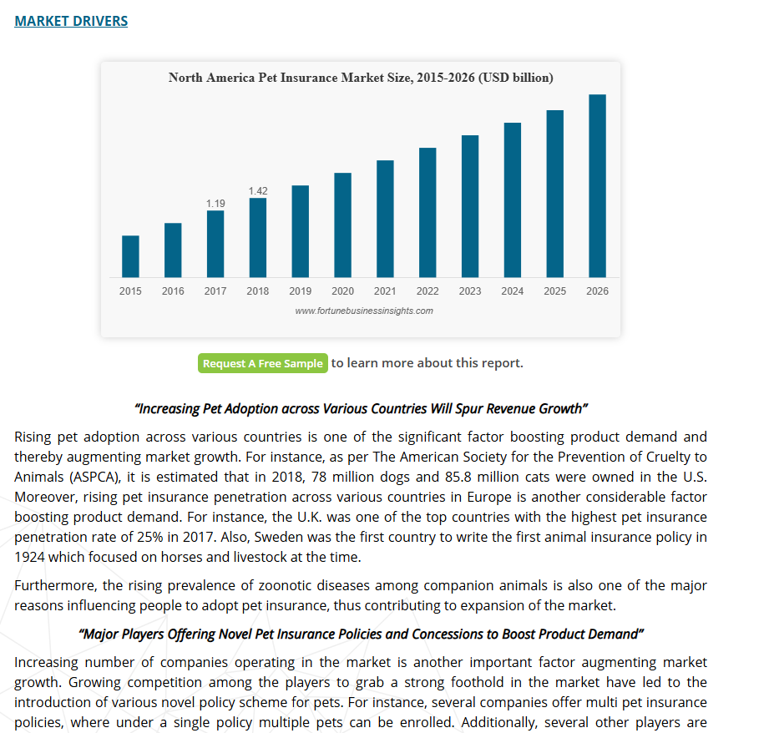

Pet Insurance Market Size, Share, Growth & Industry Trends | U.S. Veterinarians Market Size, Share & Trends Report, 2030

A.14
Petco Vital Care Membership: Formerly known as Petco Pals Rewards
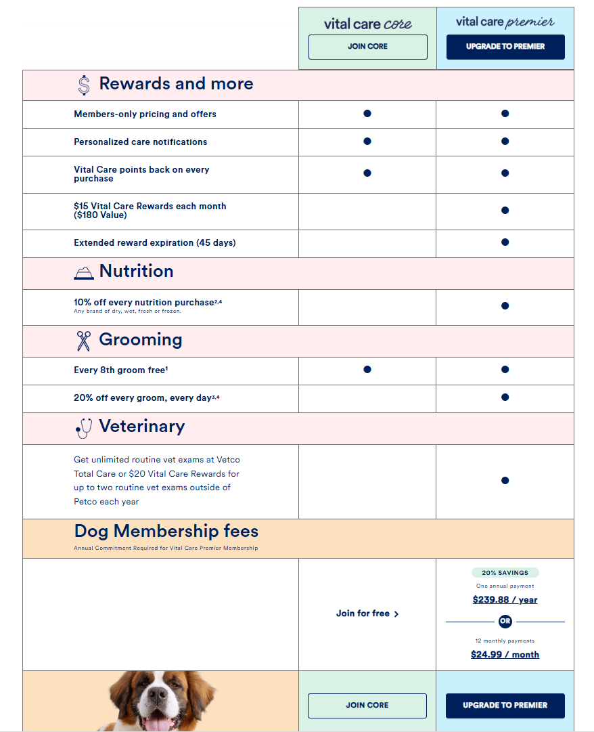

 | Is vital-care worth it? : r/petco

 | VitalCare Probably Isn't Worth It : r/petco

A.22
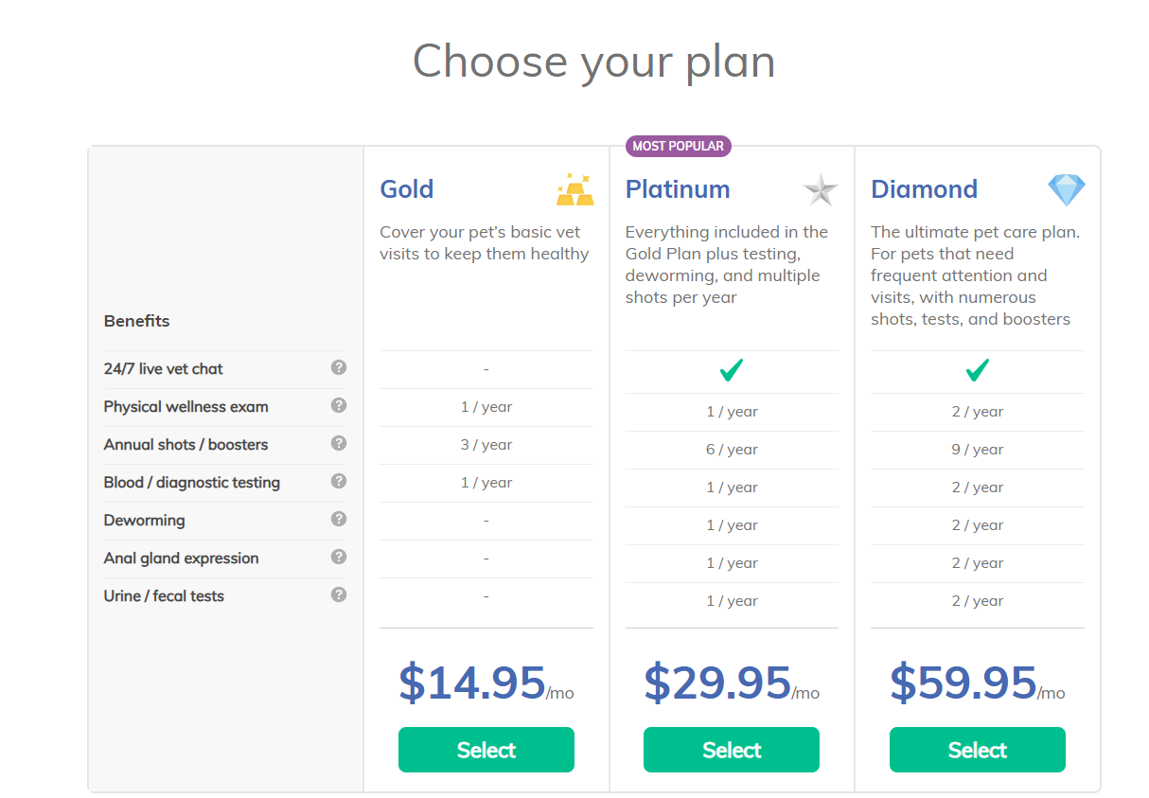
Wellness Plan
 | Easy Wellness Plans for Routine Pet Care | Wag!

